Bayesian
Bernoulli likelihood and Beta prior
n | 50
mean X | 0.7
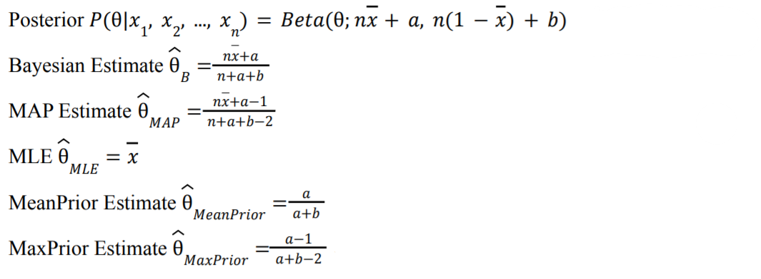
a | 10
b | 20
Posterior | Beta(theta, a1, b1)
Posterior a1 | 45
Posterior b1 | 35
Theta(B) (mean of posterior) | 0.5625
Theta(MAP) (argmax posterior) | 0.5641025641
Theta(MaxPrior) | 0.32142857143
Theta(MeanPrior) | 0.33333333333
Theta(MLE) (Argmax likelihood) | 0.7

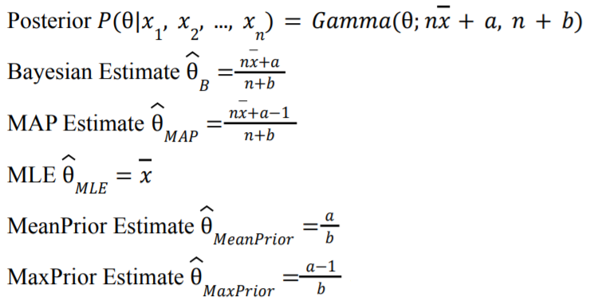
Poisson likelihood and Gamma prior
n | 10
mean X | 8
a | 14
b | 2
Posterior | Gamma(theta, a1, b1)
Posterior a1 | 94
Posterior b1 | 12
Theta(B) (mean posterior) | 7.8333333333
Theta(MAP) (argmax posterior) | 7.75
Theta(MaxPrior) | 6.5
Theta(MeanPrior) | 7
Theta(MLE) (Argmax likelihood) | 8

Normal Likelhihood and Normal Prior
n | 10
u0 | 1.7539215686
mean X | 0.777
sigma0^2 | 0.098039215686
sigmaX^2 | 2
Posterior | N(u1, sigma1^2)
Posterior u1 | 1.4325657895
Posterior sigma1^2 | 0.065789473684
Theta(B) (mean posterior) | 1.4325657895
Theta(MAP) (argmax posterior) | 1.4325657895
Theta(MaxPrior) | 1.7539215686
Theta(MeanPrior) | 1.7539215686
Theta(MLE) (Argmax likelihood) | 0.777

